FOSS Block Diagram links
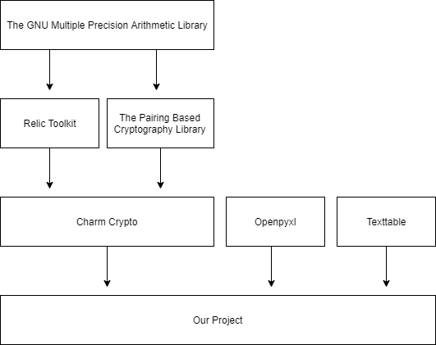
Insert block diagram of the software showing major components and links between our code and FOSS, and between FOSS and FOSS

